1. Title Page
[Instacart Data Analysis]

Project Name: Instacart Data Analysis
Date: 17/11/2024
Analyst Name: Gerardo Pérez

Contents:
Population Flow
Consistency checks
Wrangling steps
Column derivations
Visualizations
Recommendations

Data Source: “The Instacart Online Grocery Shopping Dataset 2017”, Accessed from www.instacart.com/datasets/grocery-shopping-2017 via Kaggle on 17/11/2024.

2. Population Flow
Title page

Population flow

Exclusion flag
Condition: max_order < 5
Obervations to be removed: 1.444.295
Final total count of order_products_all: 30.964.564

Orders_products_combined
Orders_products_merged
Orders_products_all

Total: 32.404.859
Total: 32.640.698
Total: 32.404.859

1.) The grey boxes in the first row of the population flow represent the original data sets as they were when you downloaded them. In the Total fields you need to add the count of the rows when you imported the data set into Jupyter.
2.) The second row of boxes (coloured) represents the data sets after you manipulated them, e.g., removed missing values and duplicates. In the Total fields you need to add the count of the rows after conducting these operations. This offers a visual oveview of how the data flows throughout the data consistency checks.
3.) The third row, where also the arrows are coloured, represents the merges you performed between the datasets. In the Total fields you need to add the count of the rows in the merged datasets, so that you end up with the final dataset (in the red box). Keep in mind the final dataset should be without exclusions (based on the exclusion flag).

3. Consistency checks
 |  |  |  | Title page
Consistency checks

Dataset | Missing values | Missing values treatment | Duplicates
orders | 206,209 in the 'days_since_prior_order' column | Flagged as first_order | -
products | 16 missing 'product_name' | Deleted rows missing data | 5 duplicates, deleted
orders_products_prior | None | - | -
customers | None | - | -
 | prices over $100 marked as missing | changed to NaN

4. Wrangling steps
 |  |  |  | Title page
Wrangling steps

Columns dropped | Columns renamed | Columns' type changed | Comment/Reason

 | order_dow to orders_day_of_week | order_id | Datatype change to STR
eval_set | order_hour_of_day to order_by_hour | user_id | Datatype change to STR
Unnamed | First Name to first_name | product_id | Datatype change to STR
_merged | Surnam to last_name | aisle_id | Datatype change to STR
Surname | Gender to gender | department_id | Datatype change to STR
first_name | STATE to state | order_number | Datatype change to int8
 | Age to age | orders_day_of_week | Datatype change to int8
 |  | order_by_hour | Datatype change to int8
 |  | days_since_prior_order | Datatype change to float16

5. Column derivations
 |  |  |  | Title page

Column derivations and aggregations

In this tab you should add tables below that the frequences of flags/label variables that you produced after deriving them. NB: don't do this for continuous variables, only for flags.
Dataset | New column | Column/s it was derived from | Conditions
orders | first_order | days_since_prior_order' | NaN
ords_prods_merge | price_range | prices | if prices <= 5 then 'low-range product' if prices >5 & <= 15 then 'mid-range product' if prices > 15 then 'high-range product' else 'not enough data'
ords_prods_merge | busiest_day | orders_day_of_week | if value == 0 then 'busiest day' if value == 4 then 'least busy' else 'regularly busy'
ords_prods_merge | busiest_days | orders_day_of_week | if value == 0 or 1 then 'busiest days' if value == 3 or 4 then 'slowest days' else 'regularly busy'
ords_prods_merge | busiest_period_of_day | hour_of_day | if value == 10 or 11 then 'most orders' if value == 3 or 4 then 'fewest orders' else 'average orders'
ords_prods_merge | loyalty_flag | max_order | if value > 40 then 'loyal customer' if value <= 40 & > 10 then 'regular customer' if value < 10 then 'new customer'
ords_prods_merge | mean_spend | prices | average price per customer
ords_prods_merge | spender_flag | mean_spend | if value > 10 then 'low spender' if value >= 10 then 'high customer'
orders_products_customers | activity_flag | max_order | if value < 5 then 'low-activity customer' if value >= 5 then 'high-activity customer'
comb_cust_ords_prods.pkl | high_activity_customers | income | high_activity_customers.loc[high_activity_customers['income'] <= 67000, 'income_group'] = 'low-income' high_activity_customers.loc[(high_activity_customers['income'] > 67000) & (high_activity_customers['income'] <= 128100), 'income_group'] = 'middle-income' high_activity_customers.loc[high_activity_customers['income'] > 128100, 'income_group'] = 'high-income'
comb_cust_ords_prods.pkl | age_group | age | high_activity_customers.loc[high_activity_customers['age'] <= 18, 'age_group'] = 'young_adult' high_activity_customers.loc[(high_activity_customers['age'] > 18) & (high_activity_customers['age'] <= 65), 'age_group'] = 'adult' high_activity_customers.loc[high_activity_customers['age'] > 65, 'age_group'] = 'senior_adult'

6. Visualizations
 |  |  | Title page

Visualisations

Question:
What are the busiest days of the week and hours of the day?



Saturdays (0) and Sundays (1) are the busiest days of the week for Instacart
Tuesdays (3) and Wenesdays (4) are the days reporting less activity from customers for Instacart

Legend:
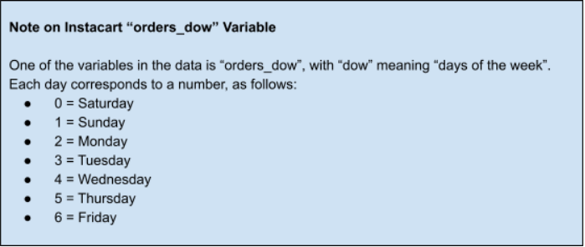



 | When looking at customers activity by the hour, most orders take place between 9 am until 4 pm

 | Question
 | Are there particular times of day when people spend the most money?

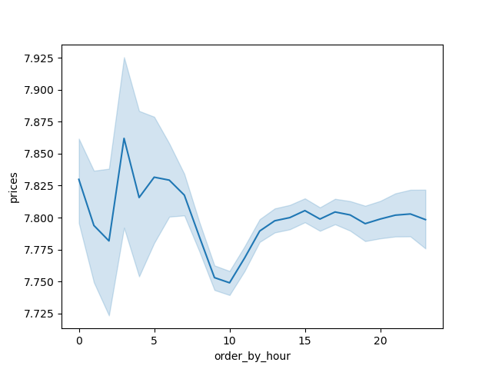
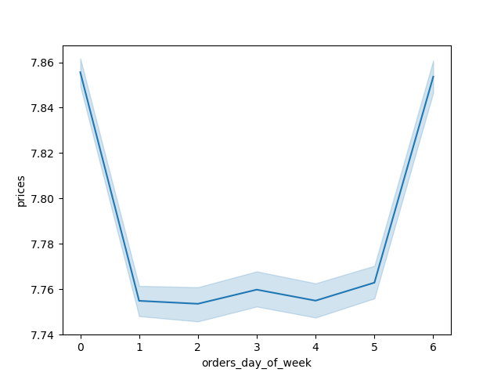

 | Most orders take place during morning hours (data shows a small variation which should be noted)
 | Most orders also seem to take place during the weekends
 | Prices seem to fluctuate less from 3 pm onwards

 | Question
 | Based on the income data from the Instacart customers, which type of customer is the most prevalent?

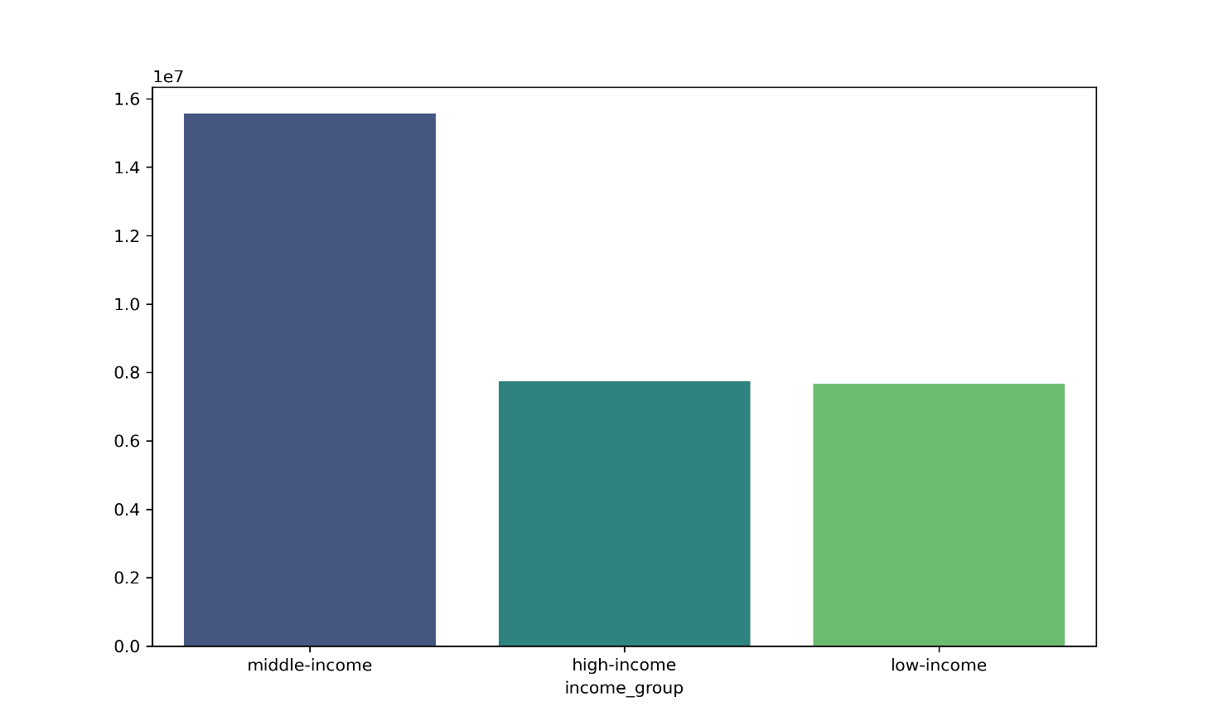

 | Middle income customers (> 67000 - <= 128100) conform the majority of customers based on their income types

 | Question
 | Whats the age distribution of customers for Instacart

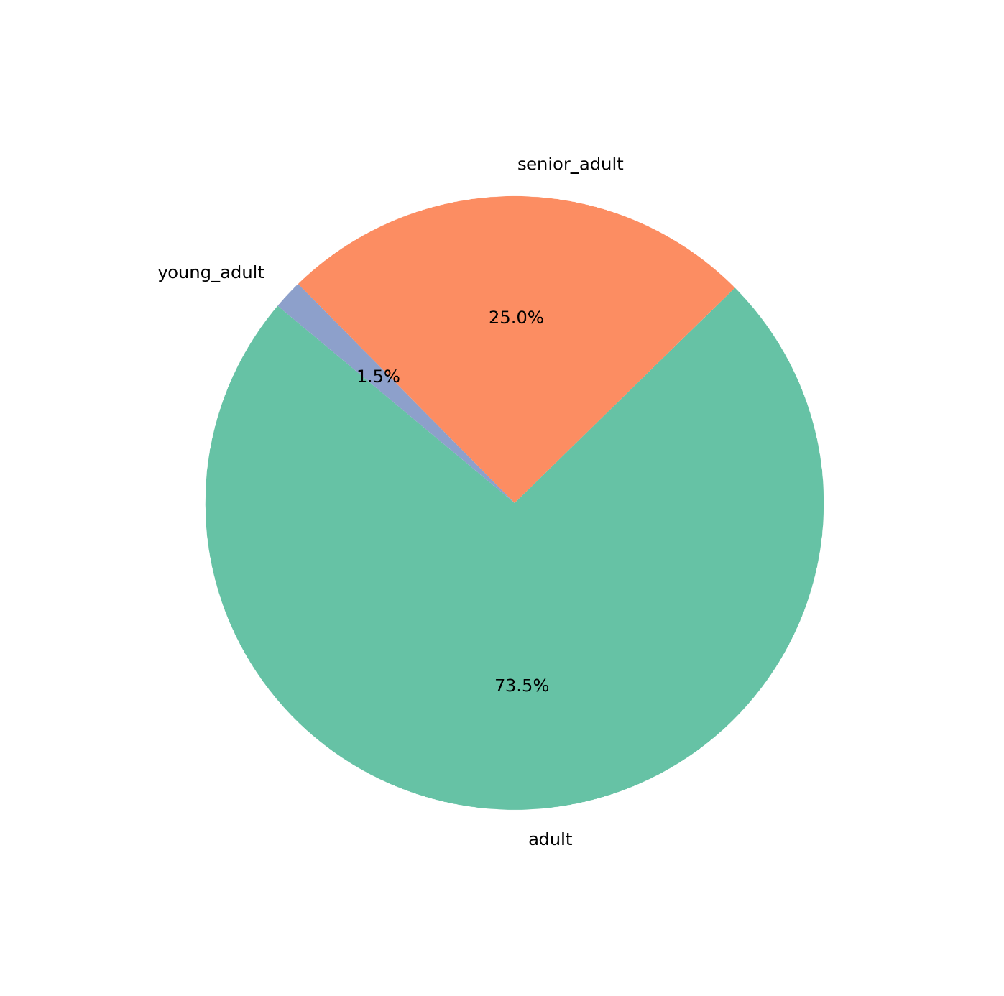

 | The majority of Instacart customers have ages between >18 - <= 65 years

 | Question
 | Whats the marital status demographic of Instacart customers

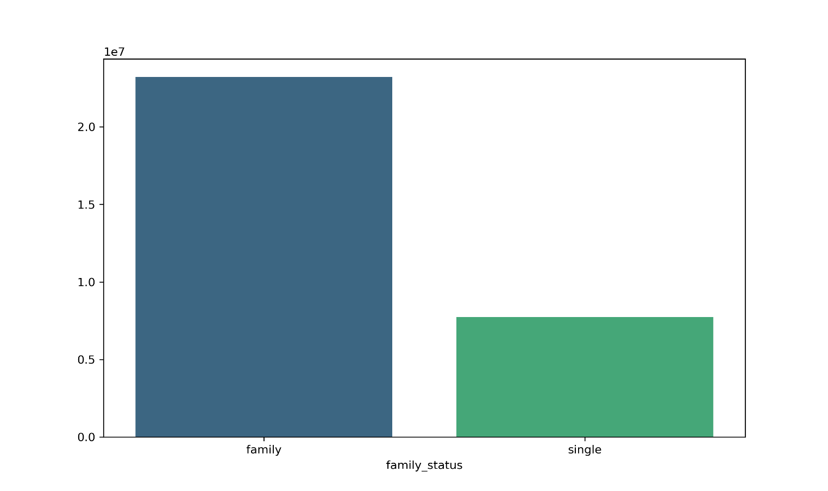

 | Most Instacart customers are married (family), while single customers are the least frequent

 | Question
 | Whats the distribution of customers based on their marital status across regions

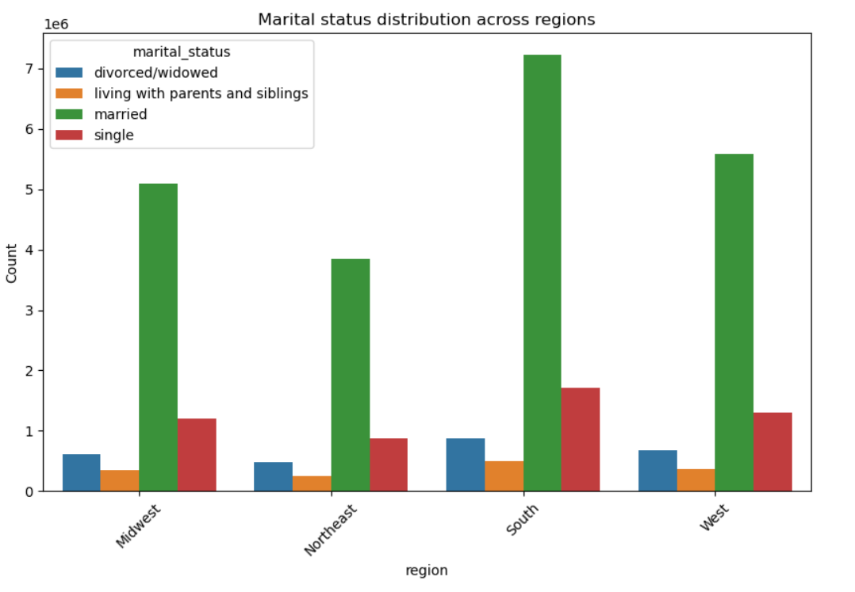

 | Regions have been divided into 4 subcategories: Midwest, Northeast, South and West
 | Married customers are the majority in all regions when it comes to marital status
 | The Northeast region reports the least amount of customers for all regions

 | Question
 | How is the customer distribution of Instacart customers based on their income across all regions?

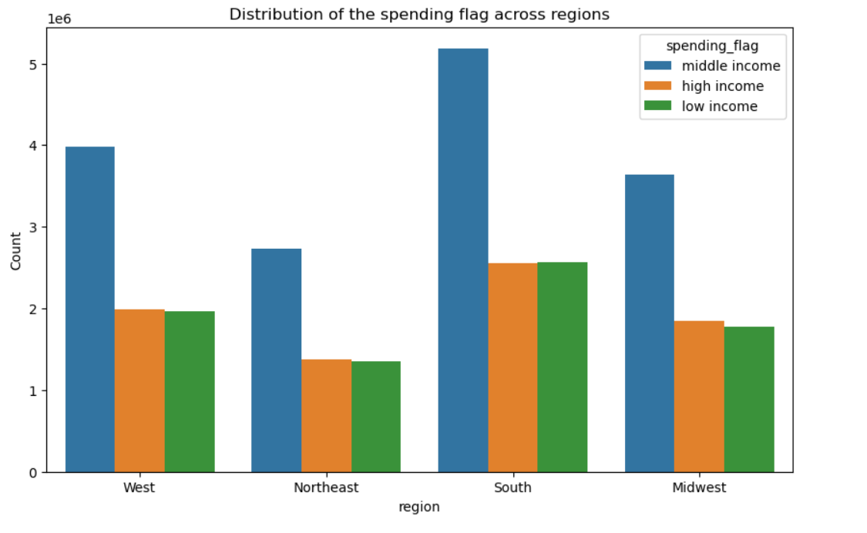

 | Following the trends seen in the visualizations above, middle income customers from the South represent the majority
 | Likewise the Northeast region reports the least amount of customers in these categories

 | Question
 | How is the department distribution across all regions for Instacart customers?

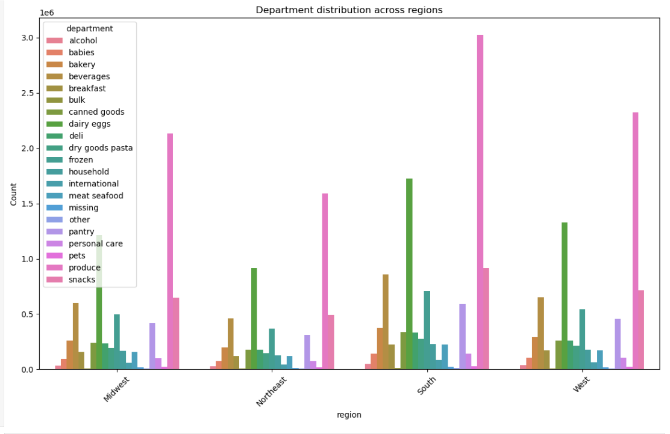

 | Most department metrics come from the South Region
 | Produce, Dairy eggs and Snacks represent the departments with the highest sales

 | Question
 | How is the income distribution across all departments for Instacart?

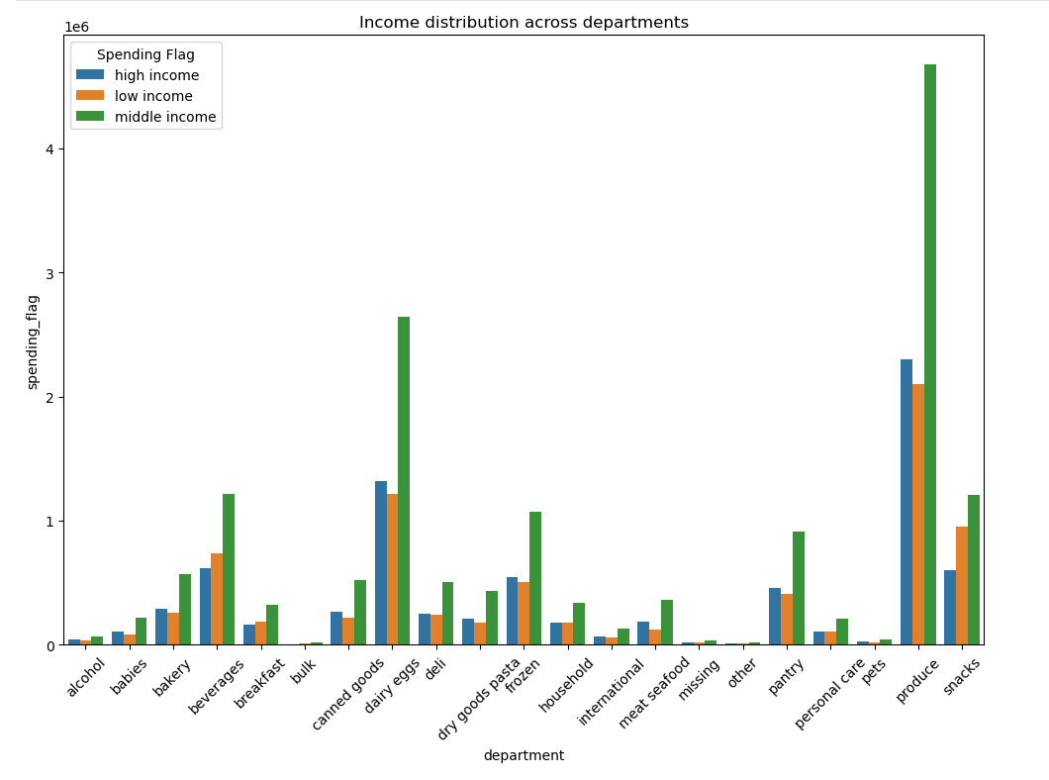

 |  | Most customers belong to the middle income category, as already explored in previous visualizations
 |  | Produce is the highest department being adquired by customers, followed by Dairy eggs and Snacks

 |  | Question
 |  | Whats the marital status distribution across all Instacart departments?
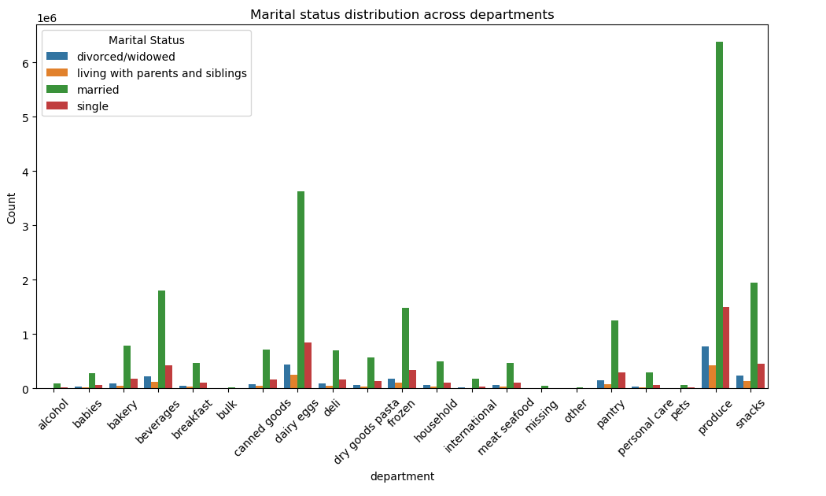

 |  | Most customers belonging to the Married category choose the "produce" category for the departments
 |  | Produce is followed by dairy eggs, snacks and beverages by married customers as the most adquired categories in the departments variable

7. Recommendations
 |  |  | Title page

Recommendations

In this tab you should include any recommendations you would made to Instcart in terms of their marketing strategy based on the questions posed in the brief. Every key question has been covered in the Tasks of the Exercises - here you need to add an item - a visualisation or table/crosstable that is showing the answer in the data, acompanied by a comment from you. Please, list the questions below and add the answer underneath.

Question | Answer | Recommendation
What are the busiest days of the week and hours of the day? | For instacart, the weekends are the days of the week where most orders are made, customers also seem to order more from 3 pm onwards | Monitoring and ensuring the online tools work on the weekends (assuming Instacart does not have employees on the weekends), provide more customer friendly opportunities during the least bussiest days and hours.
Are there particular times of day when people spend the most money? | Customers are ordering the most from 3 pm onwards, price fluctuations happen the most before 3pm as well | Povide a more reliable price fluctuation rate for customers could also enhance and broaden the days and hours of the day where orders are made
Based on the income data from the Instacart customers, which type of customer is the most prevalent? | Middle income customers (> 67000 - <= 128100) conform the majority of customers based on their income types | Mantaining loyal customers should be Instacart's #1 priority, as middle income customers represent their biggest demographic, special attention and services should be available for them such as possible discounts, and detail to this group's most adquired items
Whats the age distribution of customers for Instacart | The majority of Instacart customers have ages between >18 - <= 65 years | While the adult category is broad, and having these customers satisfied would ensure a stable customer base, Instacart could also look into strategies targeting customers outside this age demographic in order to increase these other metrics
Whats the marital status demographic of Instacart customers | Most Instacart customers are married (family), while single customers are the least frequent | Most customers belong to married families, thus, creating specific marketing/deal campaings to this group would help solidify this groups loyalty to Instacart
Whats the distribution of customers based on their marital status across regions | Regions have been divided into 4 subcategories: Midwest, Northeast, South and West. Married customers are the majority in all regions when it comes to marital status. The Northeast region reports the least amount of customers for all regions | Married customers from the South region should be the focus when thinking on customer retention. Further marketing and deal options should be investigated for the Northeast region, reporting the least amount of customers
How is the customer distribution of Instacart customers based on their income across all regions? | Middle income customers from the South represent the majority | Attention is recommeded to the middle income customers from the South region, who belong to the majority of Instacart customers making orders, similar to the previous scenario, customers from the Northeast regions require more detailed adquisition campaings in order to increase these stats
How is the department distribution across all regions for Instacart customers? | Produce, Dairy eggs and Snacks represent the departments with the highest sales, which also happens to be in the South region | Active deal campains and special attention on these departments would ensure customer retention, as these departments are selling comparably better than the rest
How is the income distribution across all departments for Instacart? | Most customers belong to the middle income category, as already explored in previous visualizations, Produce is the highest department being adquired by customers, followed by Dairy eggs and Snacks | Recommendations should follow the previous ones, taking special attention to ensure these departments and demographics are beeing taken care off
Whats the marital status distribution across all Instacart departments? | Most customers belonging to the Married category choose the "produce" category for the departments | The highlight of where to focus attention for customer retention (middle income, south region, married customers) also allows to create new campaings targeting any customers who does not belong to this metric, creating oportunity to reach new customers for Instacart

